Summary
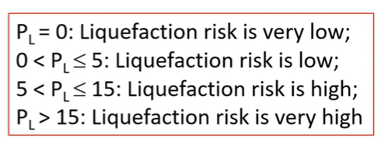
 |  |  |  |  |  |  |  |  |  |  |  |  | Cyclic Strength Ratio (CSR) |  |  |  |  |  |  |  |  |  |  |  | The user provides this value |  |  |  |  |  |  |  |  |  |  |  |  |  |  |  |  |  |  |  |  |  |  | SOIL BEARING CAPACITY BASED ON SPT-N VALUE (KPA) - Bowles (1988) |  |  |  |  |  |  | SETTLEMENT BASED ON SPT-N VALUE - 25mm - Bowles(1988)
 |  |  |  |  |  |  |  |  |  |  |  |  |  | Sample | Depth (z) | Thickness(h) | GWL | Unit Weight (γ) | Total Stress (𝜎) | Porepressure (𝑢) | Effective Stress (𝜎′) | Peak Ground Acceleration (a/g) | Stress Reduction Coefficient (rd) | CSR | Magnitude (Mw) | MSF/km | Fines Content | USCS | USCS Symbol | N1(60) | (N1)60cs | Relative Density (Dr) % | f | k𝜎 | ka | CRR(7.5) | FS | REMARK | Weighing Factor (wi) | Severity Factor (Fi) | LPI | Remarks |  | Sample | USCS | Depth | (N1)60 | Width (B) | Depth (D) | Depth Factor (Kd) | N-Value(ave) | Qu (KPa) | Qa (KPa) | FS | Si | Q-actual load (KPa) | Qa (KPa) | Settlement (mm)
 |  |  |  |  |  |  |  |  |  |  |  |  |  | 1 | 1.5 | 1.5 | 1.5 | 21 | 31.5 | 0 | 31.50 | 0.3 | 0.988525 | 0.19276 | 6.5 | 1.441922 | 31.11 | Silty Sand | SM | 22.5 | 30.9556 | 61.24 | 0.7 | 1 | 1 | 0.6 | 4.49 | NOT LIQUEFIABLE | 9.25 | 0 | 0 | Very Low |  | 1 | Silty Sand | 1.5 | 22.5 | 2 | 1.5 | 1.2475 | 29.75 | 710.79 | 616.20 | 1.15 | 25 | 50 | 616.20 | 2.06
 |  |  |  |  |  |  |  |  |  |  |  |  |  | 2 | 3 | 1.5 | 1.5 | 20 | 61.5 | 14.72 | 46.79 | 0.3 | 0.977050 | 0.25045 | 6.5 | 1.441922 | 25.77 | Silty Sand | SM | 32.25 | 40.5126 | 73.31 | 0.6 | 1 | 1 | 0.6 | 3.45 | NOT LIQUEFIABLE | 8.5 | 0 | 0 | Very Low |  | 2 | Silty Sand | 3 | 32.25 | 2.5 | 1.5 | 1.198 | 30.19 | 692.62 | 569.09 | 1.22 | 25 | 50 | 569.09 | 2.23
 |  |  |  |  |  |  |  |  |  |  |  |  |  | 3 | 4.5 | 1.5 | 1.5 | 21 | 93 | 29.43 | 63.57 | 0.3 | 0.965575 | 0.27546 | 6.5 | 1.441922 | 29.55 | Silty Sand | SM | 34.5 | 44.3727 | 75.83 | 0.6 | 1 | 1 | 0.6 | 3.14 | NOT LIQUEFIABLE | 7.75 | 0 | 0 | Very Low |  | 3 | Silty Sand | 4.5 | 34.5
 |  |  |  |  |  |  |  |  |  |  |  |  |  |  |  |  |  |  |  |  |  |  |  |  |  |  |  |  |  |  |  |  |  |  |  |  |  |  |  |  |  |  |  | 4 | Silty Sand | 6 | 31.5
 |  |  |  |  |  |  | DPWH BSDS (2013) |  |  |  |  |  |  |  |  |  |  |  |  |  |  |  |  |  |  |  |  |  |  |  | NOTE: For soil layers with (𝑁1)60𝑐𝑠≥30, the Cyclic Resistance Ratio (CRR) is capped at a maximum value of 0.60. This limitation is applied because very dense sand is generally considered non-liquefiable under typical design earthquake conditions, in accordance with Idriss and Boulanger (2010) and NCEER guidelines. |  |  |  |  |  |  |  |  |  | NOTE: "The Liquefaction Potential Index (LPI) was determined following the method proposed by Iwasaki et al. (1978, 1982) and further developed for layer summation by Luna and Frost (1998)." |  |  | 5 | Silty Sand | 7.5 | 35.25
Sample | D50 (mm) | D10 (mm) | Depth (m) | Plasticity (%) | Ground Water Level (m) | Fines Content (%) | D50 | D10 | Soil Layer is below water table and Soil Layer Depth < 20m | Soil Layer Plasticity | Assessment |  | Stress Reduction Coefficient (rd) |  |  |  |  |  |  |  |  |  |  |  |  |  |  |  |  |  |  |  |  |  |  |  |  |  |  |  |  |  |  | 6 | Silty Sand | 9 | 37.5
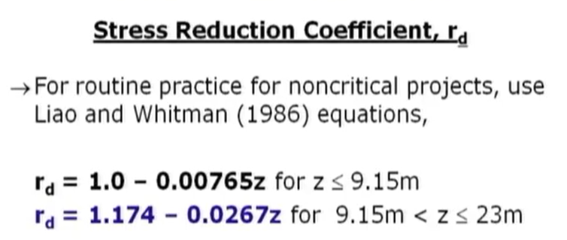
1 | 0 | 0 | 1.5 | - | 1.5 | 31.11 | PASSED | PASSED | NOT PASSED | PASSED | No Potential
2 | 0 | 0 | 3 | - | 1.5 | 25.77 | PASSED | PASSED | PASSED | PASSED | Potential |  |  |  |  |  |  |  |  |  |  |  |  |  |  |  |  |  |  |  |  |  |  |  |  |  |  |  |  |  |  |  |  |  |  |  |  | SOIL BEARING CAPACITY BASED ON SPT-N VALUE (KPA) - Meyerhof (1974) |  |  |  |  |  |  | SETTLEMENT BASED ON SPT-N VALUE - Meyerhof(1974)
3 | 0 | 0 | 4.5 | - | 1.5 | 29.55 | PASSED | PASSED | PASSED | PASSED | Potential |  |  |  |  |  |  |  |  |  |  |  |  |  |  |  |  |  |  |  |  |  |  |  |  |  |  |  |  |  |  |  |  |  |  |  |  | Width (B) | Depth (D) | Depth Factor (Kd) | N-Value(ave) | Qu (KPa) | Qa (KPa) | FS | Width (B) | Q-actual load (KPa) | N-Value(ave) | Settlement (mm)
 |  |  |  |  |  |  |  |  |  |  |  |  |  |  |  |  |  |  |  |  |  |  |  |  |  |  |  |  |  |  |  |  |  |  |  |  |  |  |  |  |  |  | Pre-Liquefaction Soil Bearing Capacity |  |  |  |  | 2 | 1.5 | 1.2475 | 29.75 | 444.24 | 394.37 | 1.13 | 2 | 50.00 | 29.75 | 2.88
 |  |  |  |  |  |  |  |  |  |  |  |  |  |  |  |  |  |  |  |  |  |  |  |  |  |  |  |  |  |  |  |  |  |  |  |  |  |  |  |  |  |  |  |  |  |  |  | 2.5 | 1.5 | 1.198 | 30.19 | 432.89 | 364.22 | 1.19 | 2.5 | 50.00 | 30.19 | 3.12

 |  |  |  |  |  |  |  |  |  |  |  |  |  |  |  |  |  |  |  |  |  |  |  |  |  |  |  |  |  |  |  |  |  |  |  |  |  |  |  |  |  |  |  |  |  |  |  | NO LIQUEFACTION

 |  |  |  |  |  |  |  |  |  |  |  |  | Total Vertical Overburden Stress (𝜎)

 |  |  |  |  |  |  |  |  |  |  |  |  | Effective Vertical Overburden Stress (𝜎′)

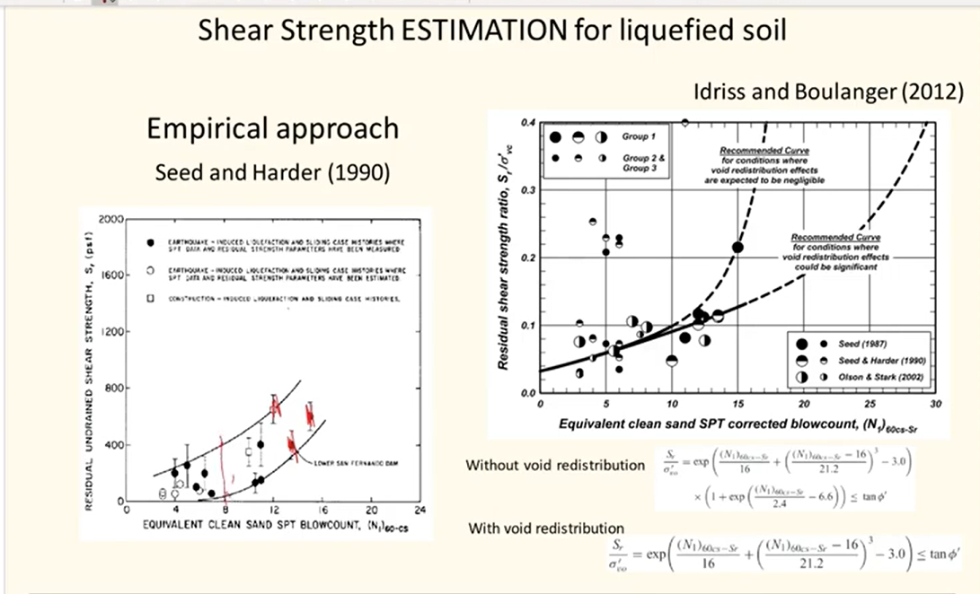
 |  |  |  |  |  |  |  |  |  |  |  |  |  |  |  |  |  |  |  |  |  |  |  |  |  |  |  |  |  |  |  |  |  |  |  |  |  |  |  |  |  |  |  |  |  |  |  | FORMULA IS IN ENGLISH UNIT
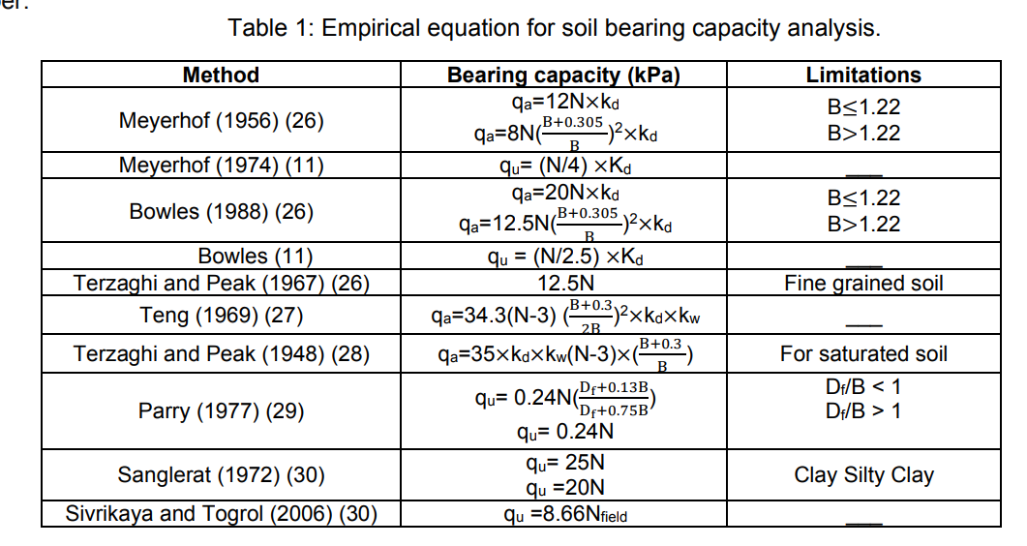

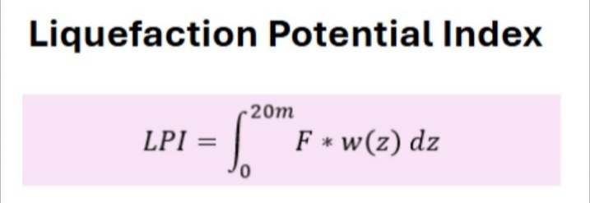

 |  |  |  |  |  |  |  |  |  |  |  |  | Magnitude Correction Factor
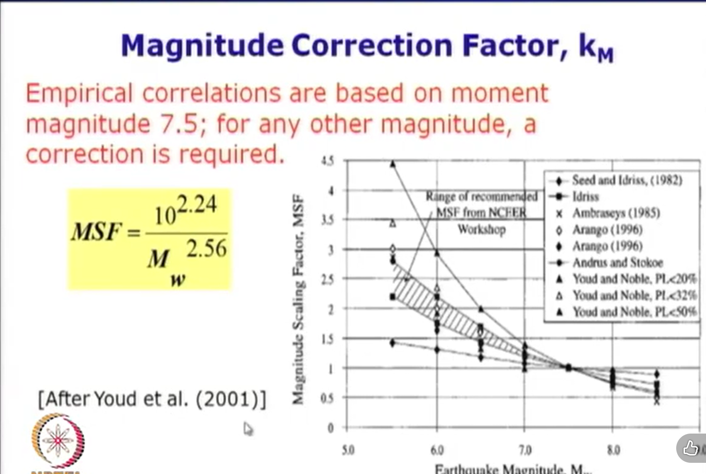

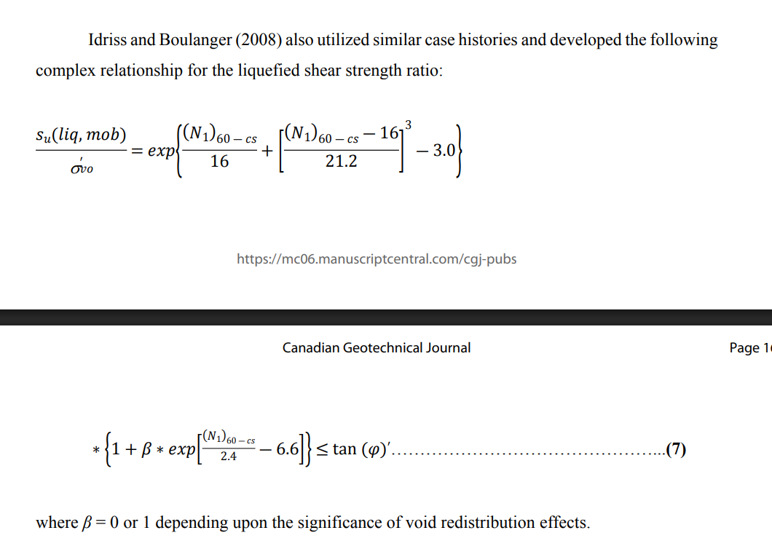

 |  |  |  |  |  |  |  |  |  |  |  |  |  |  |  |  |  |  |  |  |  |  |  |  |  |  |  |  |  |  |  |  |  |  |  |  |  |  |  |  |  |  |  |  |  |  |  | According to the study by Fahad, Shakir, and Ali (2022), the Meyerhof (1974) method is the most accurate for predicting ultimate bearing capacity as it achieved the best convergence with actual field results by utilizing the correct influence zone depth.

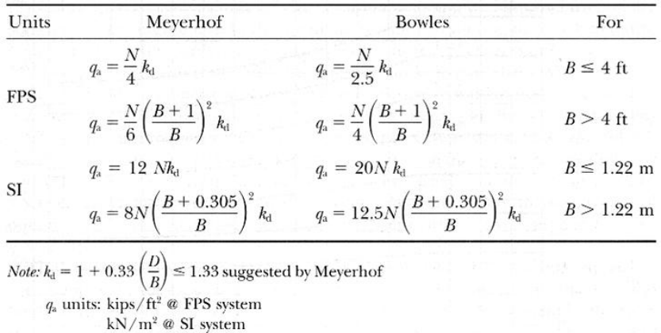

 |  |  |  |  |  |  |  |  |  |  |  |  | Overburden Correction Factor
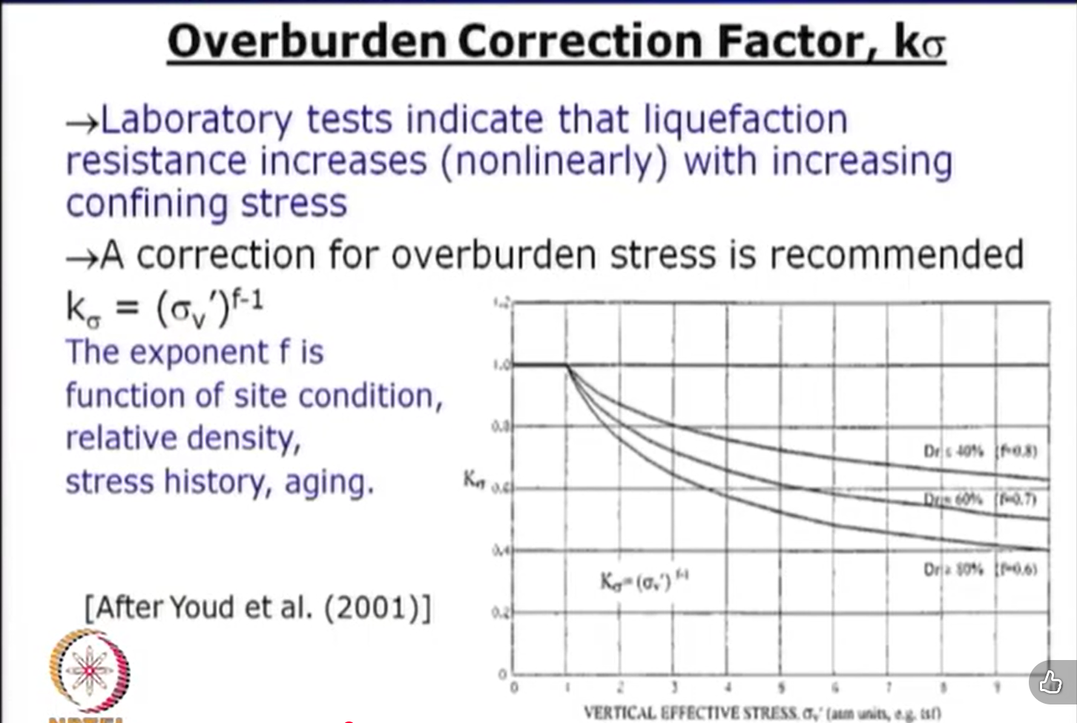

 |  |  |  |  |  |  |  |  |  |  |  |  | Sloping Ground Correction Factor
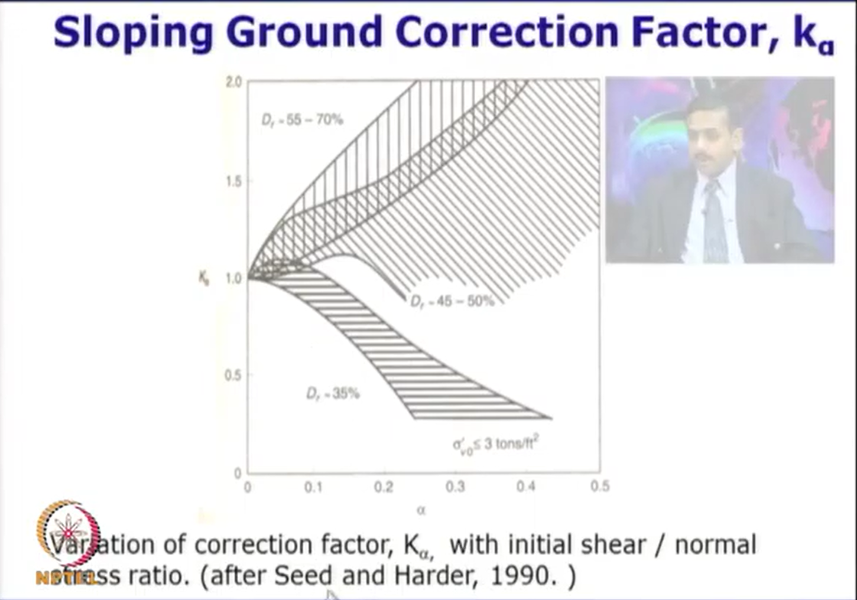

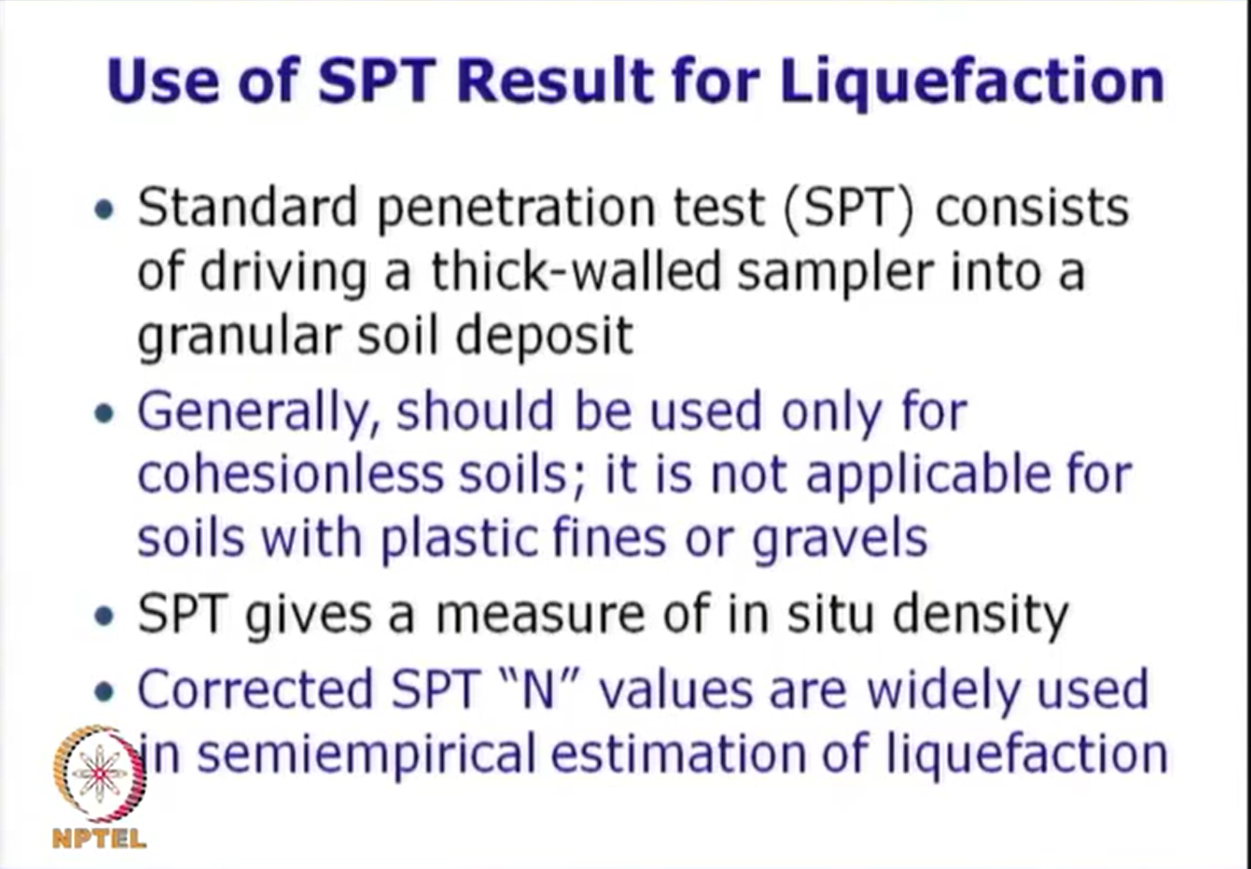

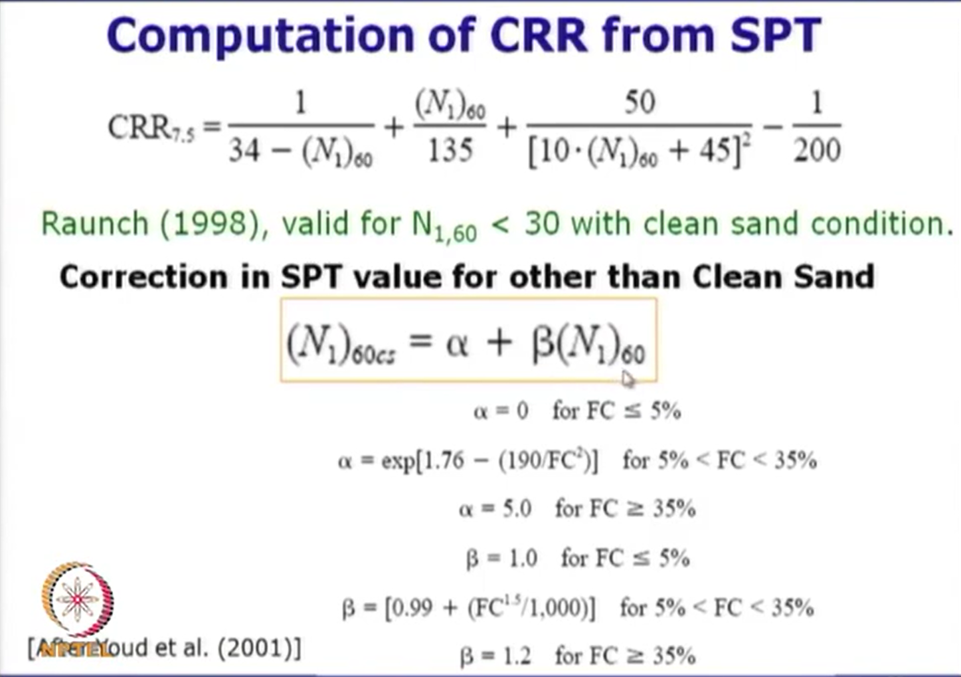

 |  |  |  |  |  |  |  |  |  |  |  | Liquefaction Potential Index

LIQUEFACTION
 |  |  |  |  |  |  |  |  |  |  |  | Cyclic Strength Ratio (CSR) |  |  |  |  |  |  |  |  |  |  |  | The user provides this value
 |  |  |  |  |  |  |  |  |  |  |  |  | Sample | Depth (z) | Thickness(h) | GWL | Unit Weight (γ) | Total Stress (𝜎) | Porepressure (𝑢) | Effective Stress (𝜎′) | Peak Ground Acceleration (a/g) | Stress Reduction Coefficient (rd) | CSR | Magnitude (Mw) | MSF/km | Fines Content | USCS | USCS Symbol | N1(60) | (N1)60cs | Relative Density (Dr) % | f | k𝜎 | ka | CRR(7.5) | FS | REMARK | Weighing Factor (wi) | Severity Factor (Fi) | LPI | Remarks
 |  |  |  |  |  |  |  |  |  |  |  |  | 1 | 1.5 | 1.5 | 1.5 | 21 | 31.5 | 0 | 31.50 | 0.3 | 0.988525 | 0.19276 | 6.5 | 1.441922 | 31.11 | Silty Sand | SM | 22.5 | 30.9556 | 61.24 | 0.7 | 1 | 1 | 0.6 | 4.49 | NOT LIQUEFIABLE | 9.25 | 0 | 0 | Very Low
 |  |  |  |  |  |  |  |  |  |  |  |  | 2 | 3 | 1.5 | 1.5 | 20 | 61.5 | 14.72 | 46.79 | 0.3 | 0.977050 | 0.25045 | 6.5 | 1.441922 | 25.77 | Silty Sand | SM | 32.25 | 40.5126 | 73.31 | 0.6 | 1 | 1 | 0.6 | 3.45 | NOT LIQUEFIABLE | 8.5 | 0 | 0 | Very Low
 |  |  |  |  |  |  |  |  |  |  |  |  | 3 | 4.5 | 1.5 | 1.5 | 21 | 93 | 29.43 | 63.57 | 0.3 | 0.965575 | 0.27546 | 6.5 | 1.441922 | 29.55 | Silty Sand | SM | 34.5 | 44.3727 | 75.83 | 0.6 | 1 | 1 | 0.6 | 3.14 | NOT LIQUEFIABLE | 7.75 | 0 | 0 | Very Low

 |  |  |  |  |  |  | DPWH BSDS (2013) |  |  |  |  |  |  |  |  |  |  |  |  |  |  |  |  |  |  |  |  |  |  | NOTE: For soil layers with (𝑁1)60𝑐𝑠≥30, the Cyclic Resistance Ratio (CRR) is capped at a maximum value of 0.60. This limitation is applied because very dense sand is generally considered non-liquefiable under typical design earthquake conditions, in accordance with Idriss and Boulanger (2010) and NCEER guidelines. |  |  |  |  |  |  |  |  |  | NOTE: "The Liquefaction Potential Index (LPI) was determined following the method proposed by Iwasaki et al. (1978, 1982) and further developed for layer summation by Luna and Frost (1998)."
Sample | D50 (mm) | D10 (mm) | Depth (m) | Plasticity (%) | Ground Water Level (m) | Fines Content (%) | D50 | D10 | Soil Layer is below water table and Soil Layer Depth < 20m | Soil Layer Plasticity | Assessment | Stress Reduction Coefficient (rd)
1 | 0 | 0 | 1.5 | - | 1.5 | 31.11 | PASSED | PASSED | NOT PASSED | PASSED | No Potential
2 | 0 | 0 | 3 | - | 1.5 | 25.77 | PASSED | PASSED | PASSED | PASSED | Potential
3 | 0 | 0 | 4.5 | - | 1.5 | 29.55 | PASSED | PASSED | PASSED | PASSED | Potential

 |  |  |  |  |  |  |  |  |  |  |  | Total Vertical Overburden Stress (𝜎)

 |  |  |  |  |  |  |  |  |  |  |  | Effective Vertical Overburden Stress (𝜎′)



 |  |  |  |  |  |  |  |  |  |  |  | Magnitude Correction Factor

 |  |  |  |  |  |  |  |  |  |  |  | Overburden Correction Factor

